Scores
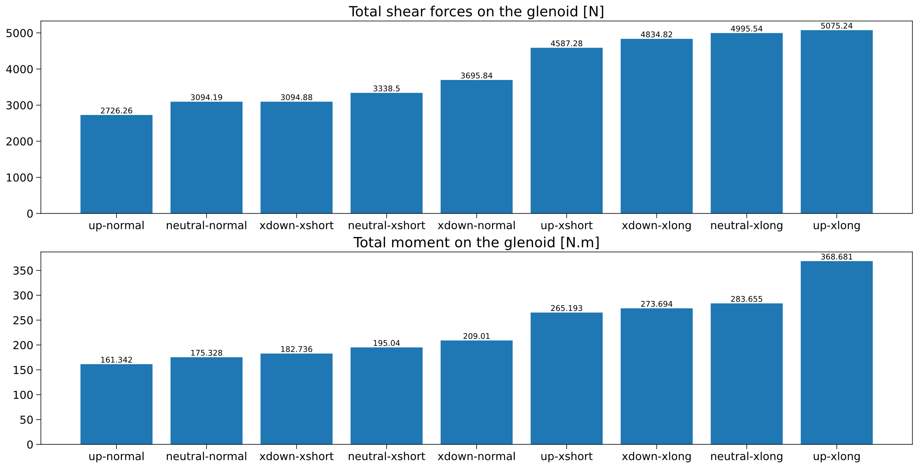
Total shear forces on the glenoid [N]
Glenoid | Acromion lengthening [mm]
Inclination | -12.1 | -6.6 | 0 | 7.85 | 16.95
-8.7° | 3095 | 2993 | 3696 | 4418 | 4835
-3.0° | 3063 | 2442 | 3361 | 4424 | 4881
0° | 3338 | 2382 | 3094 | 4506 | 4996
2.9° | 3749 | 2460 | 2767 | 4609 | 5140
9.0° | 4587 | 2940 | 2726 | 4807 | 5075
15.2° | 4831 | 3458 | 3290 | 5193 | 5518

Total moment on the glenoid [N.m]
Glenoid | Acromion lengthening [mm]
Inclination | -12.1 | -6.6 | 0 | 7.85 | 16.95
-8.7° | 183 | 170 | 209 | 250 | 274
-3.0° | 180 | 145 | 190 | 250 | 277
0° | 195 | 141 | 175 | 255 | 284
2.9° | 218 | 145 | 159 | 261 | 293
9.0° | 265 | 171 | 161 | 273 | 369
15.2° | 279 | 200 | 193 | 295 | 389

